Response Instructions
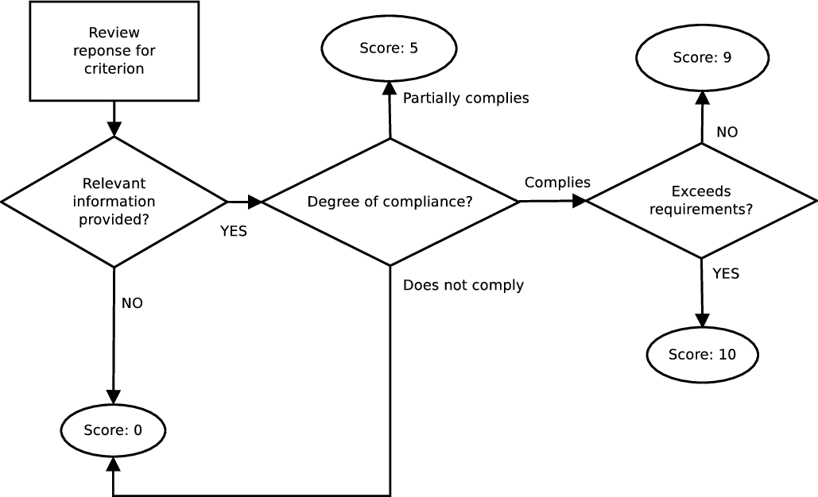
 | Managed Bandwidth Connectivity ARC and UMP Siyabuswa RFP No. 3304/28/06/2019

 | INSTRUCTIONS TO BIDDERS

1 | This spreadsheet contains the list of all the projects that are part of this RFP.
2 | Each project is indicated in each tab of this preadsheet.
3 | The bidder must complete the technical evaluation tab for each project the bidder intends to bid for.
4 | Bidder must note that if any project in a bundle fails to meet the minimum points in the technical Compliance Matrix the entire bundle will fail and will not be considered further
5 | Adherence to the format of the compliance matrix is compulsory.
6 | The Technical Compliance Matrix is a summary of the submission. Bidders are encouraged to provide supporting documentation separately.
7 | Individual criteria are grouped together under common groupings, i.e. Elimination Criteria, and General Criteria (Quality, Reliability, Technical Capability of Tenderer, Viability, and Durability)
8 | Failure to comply with any requirement in the Elimination Criteria grouping will lead to the proposal automatically failing the technical evaluation.
9 | Proposals with a weighted technicality score of less than the pre-determined minimum overall percentage or less than each specific minimum in the technical Compliance Matrix on any of the individual groupings will be eliminated from further evaluation.
10 | Scores will be awarded for each criterion based on the following flow-chart below.

 | Elimination Criteria
 | Criterion Name | Required Response | Evaluation Method | Response | Sub-minimum met?
 | Column will contain the name of the elimination criterion being evaluated | Column will describe the response that SANReN expects | Column will describe how SANReN will evaluate the response | The Bidder will have to select between ●Yes ● No | The bidder will pass if they respond with a yes, and will fail if the respond with a no.

 | General Criteria (Quality, Reliability, Technical Capability of Tenderer, Viability, and Durability)
 | Criterion Name | Required Response | Evaluation Method | Response | Score
 | Column will contain the name of the criterion being evaluated | Column will describe the response that SANReN expects | Column will describe how SANReN will evaluate the response | The Bidder will have to select between ● Comply ● Partial Compliance ● Do not comply | Based on the response and the evidence provided, SANReN will issue a score of either 0, 5, 9, or 10. (Described in more detail in the diagram below)

 | Scoring Process

